Clients Requirement
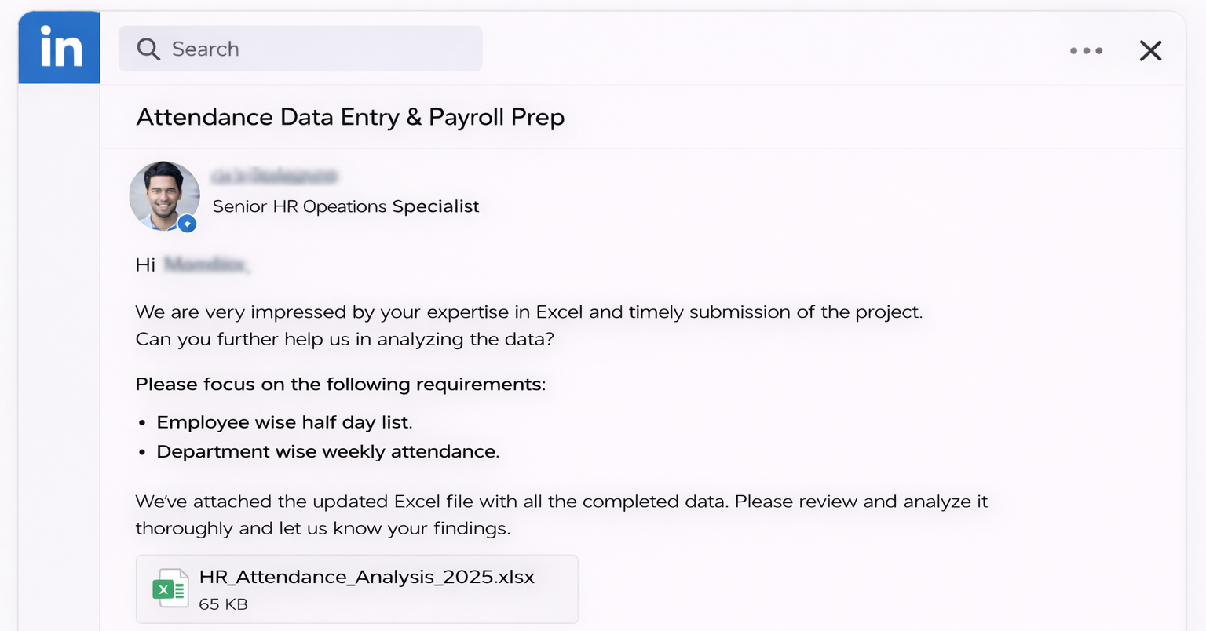

Clients's Requirement

2 Dep wise weekly attd.
Requirement 2: Department wise weekly attendance

Count of Emp ID | Column Labels
Row Labels | Finance | Hr | It | Logistics | Operations | Sales | Grand Total
12/1/2025 - 12/7/2025 | 84 | 70 | 70 | 14 | 35 | 77 | 350
12/8/2025 - 12/14/2025 | 96 | 80 | 80 | 16 | 40 | 88 | 400
12/15/2025 - 12/21/2025 | 72 | 60 | 60 | 12 | 30 | 66 | 300
Grand Total | 252 | 210 | 210 | 42 | 105 | 231 | 1050

Department wise weekly attendance

